Sheet1
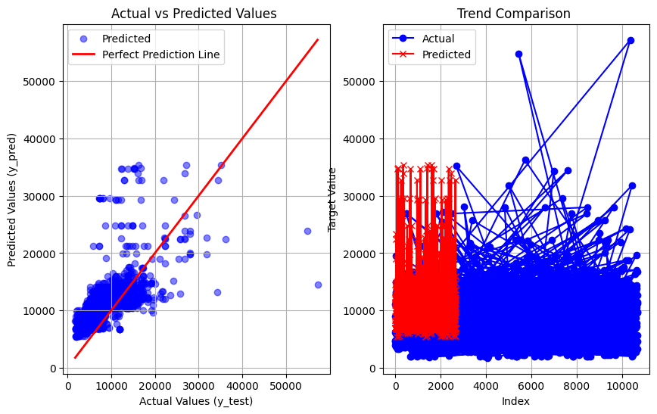
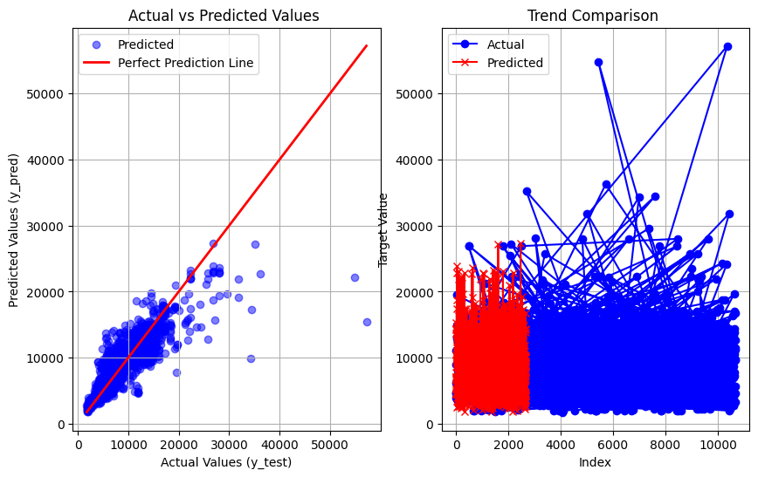
Algorithms&Report(Airline Dataset)

Linear Regression | SVM Regressor | KNN(without tunning)

R2 Scroe : 0.07375463846949792 Mean squared error : 10291432.749936875 Mean absoute error : 2081.05700941328 RMSE3208.0263013162585 | R2 score : -384959382.9359258 MSE : 22492360.669205155 MAE : 3648.9522817089223 RMSE : 4742.611165719277 | R2 score : 0.3024309610279875 MSE : 9296390.005915388 MAE : 1855.2743541744667 RMSE : 3048.9981970993995

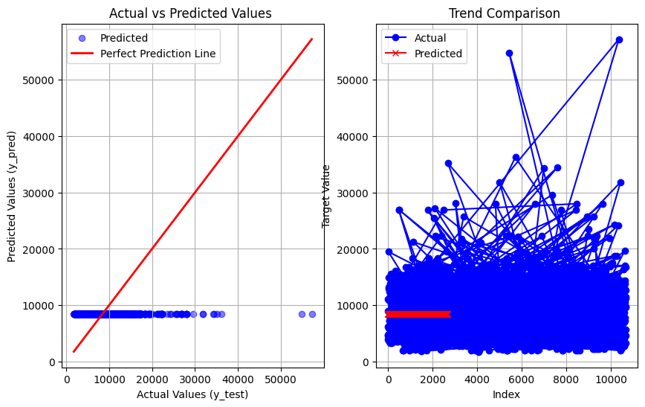
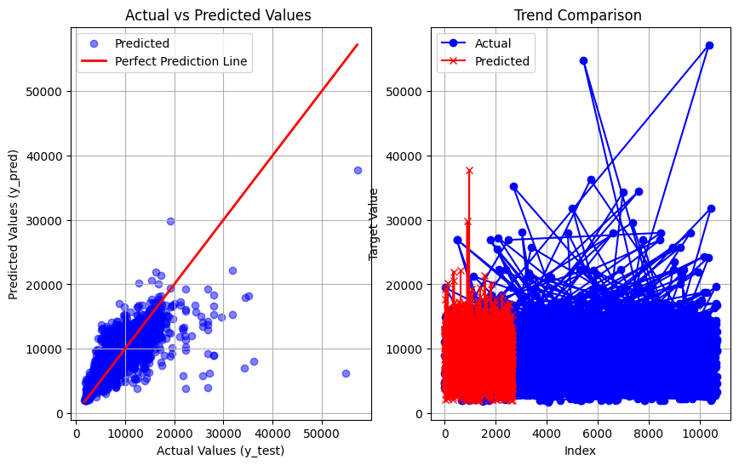
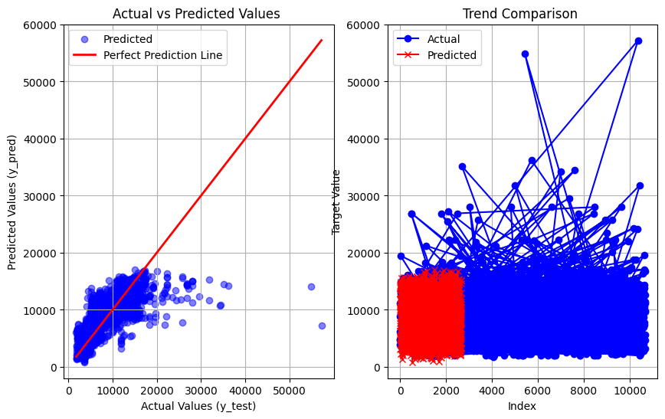

KNN(With tunning) | Random forest regressor | Decision Tree regressor

R2 score : 0.361634207484813 MSE : 8880710.311628217 MAE : 1791.5204470886295 RMSE : 2980.0520652546015 | R2 score : 0.8407217255724877 MSE : 3037696.667942037 MAE : 706.5036291041938 RMSE : 1742.8989264848483 | R2 score : 0.7898977600332686 MSE : 4334240.916531471 MAE : 809.7973293398229 RMSE : 2081.8839824859288


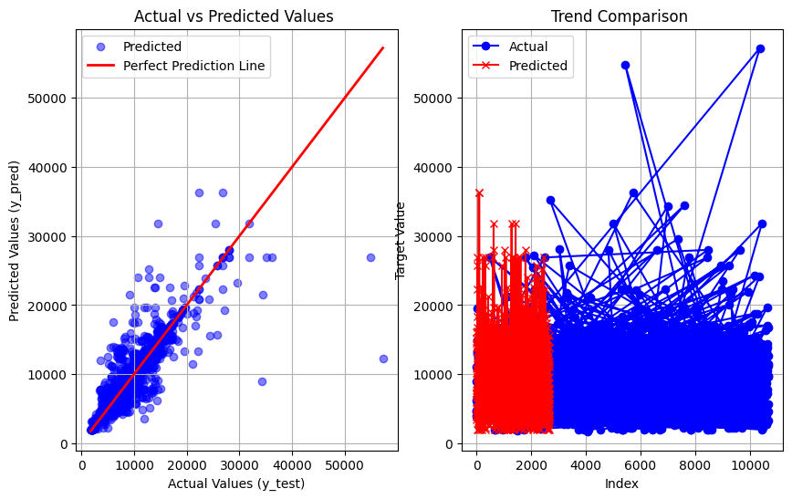
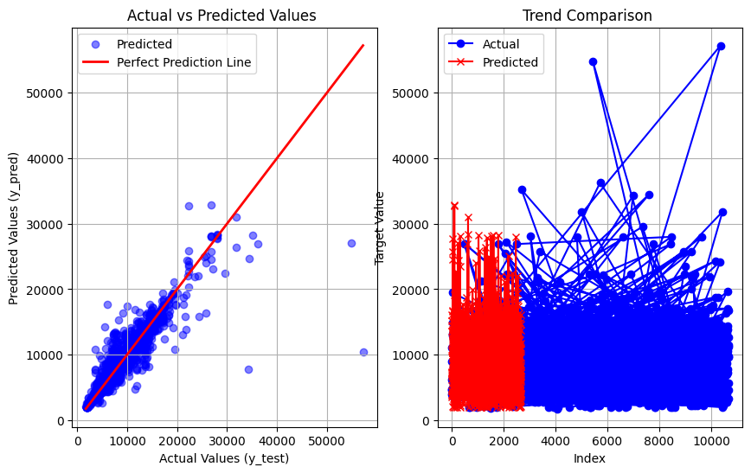

Adaboost regression | Gradient BOOST

R2 score : -0.25187375100265186 MSE : 14842884.794488242 MAE : 3011.8329710157254 RMSE : 3852.646466325225 | R2 score : 0.6592823156099847 MSE : 5083627.683108177 MAE : 1345.8371341566426 RMSE : 2254.690152350912

